Array
Array Robot Volume 1
Array Manipulation Lambdas

 | Remove Columns/Rows

 | RemoveCols(array, column_indexes)
 | Returns all columns of array except the ones specified in column_indexes.
 | RemoveRows(array, row_indexes)
 | Returns all rows of array except the ones specified in row_indexes.

 | array |  |  |  |  |  | remove columns 2 and 4 |  |  |  | remove rows 3 and 5 |  |  |  | formulas

 | 1 | 2 | 3 | 4 | 5 |  | 1 | 3 | 5 |  | 1 | 3 | 5 |  | B13: =SEQUENCE(5, 5)
 | 6 | 7 | 8 | 9 | 10 |  | 6 | 8 | 10 |  | 6 | 8 | 10 |  | H13: =RemoveCols(B13#, {2,4})
 | 11 | 12 | 13 | 14 | 15 |  | 11 | 13 | 15 |  | 16 | 18 | 20 |  | L13: =RemoveRows(H13#, {3,5})
 | 16 | 17 | 18 | 19 | 20 |  | 16 | 18 | 20
 | 21 | 22 | 23 | 24 | 25 |  | 21 | 23 | 25

 | Reverse Columns/Rows

 | ReverseColumns(array)
 | Returns array with columns in reverse order.
 | ReverseRows(array)
 | Returns array with rows in reverse order.

 | array |  |  |  |  | reverse columns |  |  |  |  | reverse rows |  |  |  |  | formulas

 | 1 | 2 | 3 | 4 |  | 4 | 3 | 2 | 1 |  | 16 | 15 | 14 | 13 |  | B29: =SEQUENCE(4,4)
 | 5 | 6 | 7 | 8 |  | 8 | 7 | 6 | 5 |  | 12 | 11 | 10 | 9 |  | G29: =ReverseColumns(B29#)
 | 9 | 10 | 11 | 12 |  | 12 | 11 | 10 | 9 |  | 8 | 7 | 6 | 5 |  | L29: =ReverseRows(G29#)
 | 13 | 14 | 15 | 16 |  | 16 | 15 | 14 | 13 |  | 4 | 3 | 2 | 1

 | Unpivot Array/Unpivot Array By Specified Columns

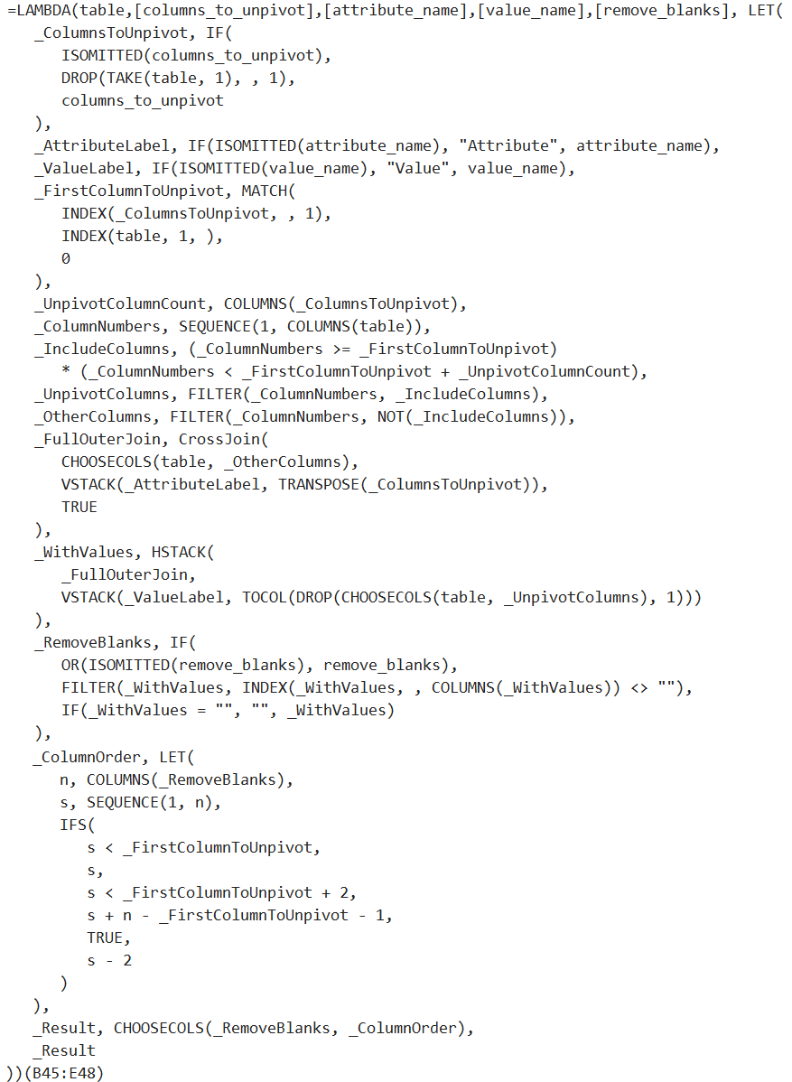
 | Unpivot(table, [columns_to_unpivot], [attribute_name], [value_name], [remove_blanks])
 | Given a table with a single header row, returns a table with the columns_to_unpivot converted into an Attribute column with all corresponding values in a Value column.

 | The names of the Attribute and Value columns can be overwritten using attribute_name and value_name parameters.
 | By default, blank cells are removed, but this can be changed by passing FALSE to remove_blanks parameter.
 | Note: columns_to_unpivot do not need to be the right-most columns, but do need to be consecutive columns.

 | table |  |  |  |  | simple unpivot |  |  |  | specify column names |  |  |  | formulas

 | Name | Europe | Asia | Africa |  | Name | Attribute | Value |  | Name | Region | Sales |  | G46: =Unpivot(B46:E49)
 | Joe | 52 | 21 |  |  | Joe | Europe | 52 |  | Joe | Europe | 52 |  | K46: =Unpivot(B46:E49,,"Region","Sales")
 | Bob |  | 7 | 33 |  | Joe | Asia | 21 |  | Joe | Asia | 21
 | Sue | 65 |  | 111 |  | Bob | Asia | 7 |  | Bob | Asia | 7
 |  |  |  |  |  | Bob | Africa | 33 |  | Bob | Africa | 33
 |  |  |  |  |  | Sue | Europe | 65 |  | Sue | Europe | 65
 |  |  |  |  |  | Sue | Africa | 111 |  | Sue | Africa | 111

 | table |  |  |  |  |  |  | unpivot just the region columns |  |  |  |  |  | formulas

 | Name | Manager | Europe | Asia | Africa | Total |  | Name | Manager | Region | Sales | Total |  | I57: =Unpivot(B57:G60,D57:F57,"Region","Sales")
 | Joe | Amy | 52 | 21 |  | 73 |  | Joe | Amy | Europe | 52 | 73
 | Bob | Tom |  | 7 | 33 | 40 |  | Joe | Amy | Asia | 21 | 73
 | Sue | Pam | 65 |  | 111 | 176 |  | Bob | Tom | Asia | 7 | 40
 |  |  |  |  |  |  |  | Bob | Tom | Africa | 33 | 40
 |  |  |  |  |  |  |  | Sue | Pam | Europe | 65 | 176
 |  |  |  |  |  |  |  | Sue | Pam | Africa | 111 | 176

Extract
Array Robot Volume 1
Extraction Lambdas

 | Split By Character

 | SplitByCharacter(text_vector)
 | Separates each text value in text_vector in separate cells by character.

 | If text_vector is a row vector, results are split below rather than to right.

 | single cell |  | split by characters |  |  |  |  |  |  | formulas

 | abcdef |  | a | b | c | d | e | f |  | D13: =SplitByCharacter(B13)

 | column vector |  | split across by characters |  |  |  |  |  |  | formulas

 | abcdef |  | a | b | c | d | e | f |  | D18: =SplitByCharacter(B18#)
 | 1234 |  | 1 | 2 | 3 | 4
 | XYZ123 |  | X | Y | Z | 1 | 2 | 3

 | row vector |  |  |  | split below by characters |  |  |  |  | formulas

 | abcdef | 1234 | XYZ123 |  | a | 1 | X |  |  | F25: =SplitByCharacter(B25#)
 |  |  |  |  | b | 2 | Y
 |  |  |  |  | c | 3 | Z
 |  |  |  |  | d | 4 | 1
 |  |  |  |  | e |  | 2
 |  |  |  |  | f |  | 3

 | Split Numbers From Text

 | SplitNumbersFromText(text_vector, [ignore_commas])
 | Separates each text value in text_vector into separate cells by text versus numeric values.

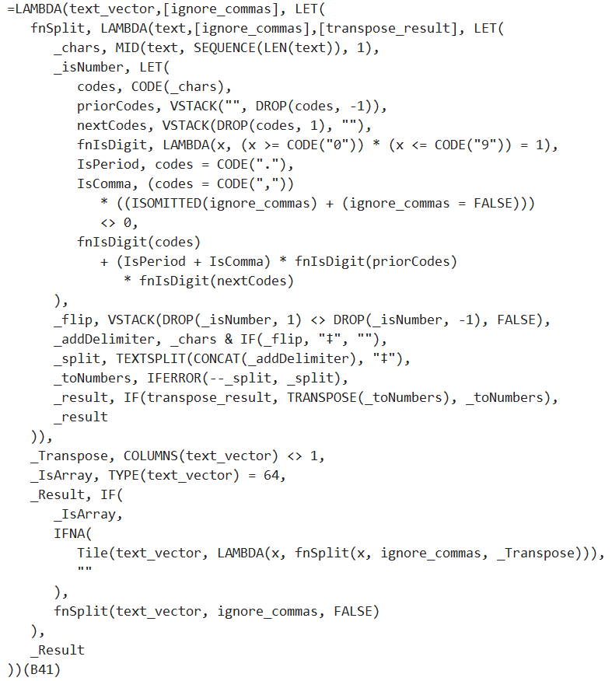
 | If text_vector is a row vector, results are split below rather than to right.
 | By default, commas between numbers are assumed to be thousands separators. Set ignore_commas to TRUE treat commas like any other text.

 | text |  |  |  |  | split numbers from text |  |  |  |  |  |  | formula

 | Buy 1,234 shares at $3.456/share. |  |  |  |  | Buy | 1234 | shares at $ | 3.456 | /share. |  |  | G43: =SplitNumbersFromText(B43)

 | column vector |  |  | split numbers from text to right |  |  |  |  |  |  |  |  | formula

 | abcdef |  |  | abcdef |  |  |  |  |  |  |  |  | E48: =SplitNumbersFromText(B48:B54)
 | 1234 |  |  | 1234
 | XYZ123 |  |  | XYZ | 123
 | ab12cd34ef |  |  | ab | 12 | cd | 34 | ef
 | 123.456 |  |  | 123.456
 | Tot: $1,234.56 USD |  |  | Tot: $ | 1234.56 | USD
 | a1,2b,c3,4d |  |  | a | 1,2 | b,c | 3,4 | d |  | << if it gets confused by commas, use ignore_commas = TRUE. See next example.

 | text with commas |  |  | split numbers, ignore commas |  |  |  |  |  |  |  |  | formula

 | a1,2b,c3,4d |  |  | a | 1 | , | 2 | b,c | 3 | , | 4 | d | E59: =SplitNumbersFromText(B59,TRUE)

 | row vector |  |  |  | split numbers from text below |  |  |  |  |  |  |  | formula

 | abc | 123 | a1b2c |  | abc | 123 | a |  |  |  |  |  | F64: =SplitNumbersFromText(B64:D64)
 |  |  |  |  |  |  | 1
 |  |  |  |  |  |  | b
 |  |  |  |  |  |  | 2
 |  |  |  |  |  |  | c

Replace
Array Robot Volume 1
Replacement Lambdas

 | Fill From Above/Below/Left/Right

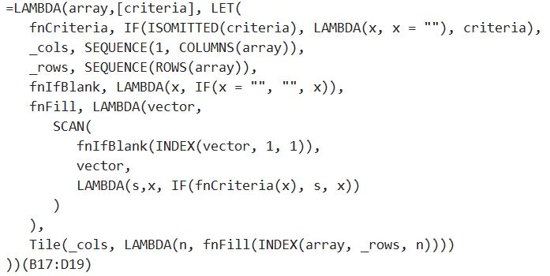
 | FillFromAbove(array, [criterion])
 | Replaces values in cells that meet criterion function with value of cell from above. If no criterion, uses blank cells.
 | FillFromBelow(array, [criterion])
 | Replaces values in cells that meet criterion function with value of cell from below. If no criterion, uses blank cells.
 | FillFromLeft(array, [criterion])
 | Replaces values in cells that meet criterion function with value of cell from left. If no criterion, uses blank cells.
 | FillFromRight(array, [criterion])
 | Replaces values in cells that meet criterion function with value of cell from right. If no criterion, uses blank cells.

 | array |  |  |  | fill blanks from above |  |  | fill blanks from below |  |  |  | fill blanks from left |  |  |  | fill blanks from right |  |  | formulas

 | A | B |  |  | A | B |  | A | B | D |  | A | B | B |  | A | B |  | F17: =FillFromAbove(B17:D19)
 |  | C | D |  | A | C | D | E | C | D |  |  | C | D |  | C | C | D | J17: =FillFromBelow(B17:D19)
 | E |  | F |  | E | C | F | E |  | F |  | E | E | F |  | E | F | F | N17: =FillFromLeft(B17:D19)
 |  |  |  |  |  |  |  |  |  |  |  |  |  |  |  |  |  |  | R17: =FillFromRight(B17:D19)

 | array |  |  |  | fill #N/A from above |  |  | array |  |  |  | fill from above that contain B |  |  |  | fill from below that starts with A |  |  | formulas

 | 1 | -2 | #N/A |  | 1 | -2 | #N/A | 1 | -2 | AC |  | 1 | -2 | AC |  | 1 | -2 | -4 | F24: =FillFromAbove(B24:D26, ISNA)
 | #N/A | 3 | -4 |  | 1 | 3 | -4 | AB | 3 | -4 |  | 1 | 3 | -4 |  | 5 | 3 | -4 | N24: =FillFromAbove(J24:L26,LAMBDA(x,NOT(ISERROR(SEARCH("B",x)))))
 | 5 | #N/A | -5 |  | 5 | 3 | -5 | 5 | BC | -5 |  | 5 | 3 | -5 |  | 5 | BC | -5 | R24: =FillFromBelow(J24:L26,LAMBDA(x,LEFT(x,1)="A"))

 | If Blank

 | IfBlank(array, [value_if_blank])
 | Replaces each blank cell with the values specified.

 | Handy when Excel shows zeros when referencing blank cells, but you want them to show as blanks.

 | array |  |  |  | zeros show by default |  |  | if blank then blank |  |  |  | if blank then X |  |  |  | formulas

 | 0 | 1 |  |  | 0 | 1 | 0 | 0 | 1 |  |  | 0 | 1 | X |  | F38: =B38:D40
 |  | 2 | 3 |  | 0 | 2 | 3 |  | 2 | 3 |  | X | 2 | 3 |  | J38: =IfBlank(B38:D40, "")
 | 4 |  | 5 |  | 4 | 0 | 5 | 4 |  | 5 |  | 4 | X | 5 |  | N38: =IfBlank(B38:D40, "X")

 | Remove Blank Rows/Columns
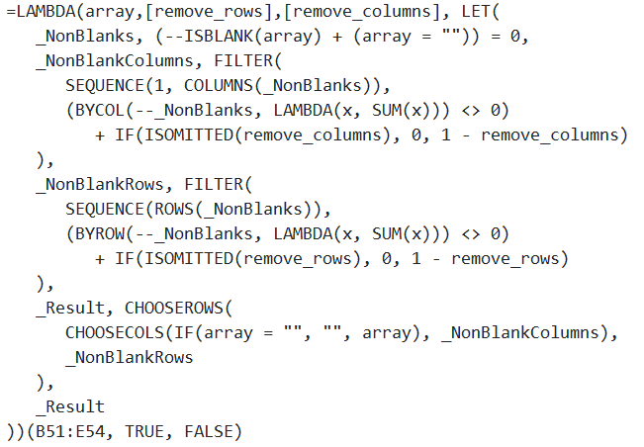
 | RemoveBlanks(array, [remove_rows], [remove_columns])
 | Removes blank rows and columns from array as specified by remove_rows and remove_columns. Default: TRUE, TRUE.

 | array |  |  |  |  | remove blank rows |  |  |  | remove blank columns |  |  |  | remove blank rows and columns |  |  |  | formulas

 | A | B |  |  |  | A | B |  |  | A | B |  |  | A | B |  |  | G51: =RemoveBlanks(B51:E54, TRUE, FALSE)
 |  | C |  | D |  |  | C | D |  |  | C | D |  |  | C | D |  | L51: =RemoveBlanks(B51:E54, FALSE)
 |  |  |  |  |  | E |  | F |  |  |  |  |  | E |  | F |  | P51: =RemoveBlanks(B51:E54)
 | E |  |  | F |  |  |  |  |  | E |  | F

